Exp I
$$I_{ph}$$
$$θ$$
Properties: | vs Voltage of CdS |  |  |  | Constant Intensity |  |  |  | = 0
Note: | We couldn't increase voltage to 28 V in Table I, since the maximum voltage that we could reach was 22 V.

$$I_{ph}$$
Voltage (V) | 2 | 4 | 6 | 8 | 10 | 12 | 14 | 16 | 18 | 20 | 22
(mA) | 0.454 | 0.883 | 1.332 | 1.804 | 2.252 | 2.773 | 3.251 | 3.761 | 4.31 | 4.826 | 5.421
I_ph vs Voltage of CdS for Aligned Polarizer

Exp II
$$I_{ph}$$
$$θ=45 °$$
Properties: | vs Voltage of CdS |  |  |  | Constant Intensity
Note: | We couldn't increase voltage to 28 V in Table I, since the maximum voltage that we could reach was 22 V.

$$I_{ph}$$
Voltage (V) | 2 | 4 | 6 | 8 | 10 | 12 | 14 | 16 | 18 | 20 | 22
(mA) | 0.255 | 0.5 | 0.79 | 1.042 | 1.333 | 1.608 | 1.898 | 2.225 | 2.501 | 2.841 | 3.132

I_ph vs Voltage of CdS in 45 Angle Difference of Polarizer

Exp III
$$I_{ph}$$
Properties: | vs Intensity of light on CdS

$$θ(°)$$
$$θ(°)$$
$$θ$$
 | 10 | 20 | 30 | 40 | 50 | 60 | 70 | 80 | 90 |  | 10 | 20 | 30 | 40 | 50 | 60 | 70 | 80 | 90
V= 1V | 0.535 | 0.5 | 0.44 | 0.368 | 0.266 | 0.167 | 0.096 | 0.023 | 0 | Cos( )^2 | 0.96984631039 | 0.88302222156 | 0.75 | 0.58682408883 | 0.41317591117 | 0.25 | 0.11697777844 | 0.030153689607 | 3.7524718414E-33
V=10V | 5.286 | 4.92 | 4.33 | 3.633 | 2.749 | 1.815 | 0.923 | 0.3 | 0.005 | V= 1V | 0.535 | 0.5 | 0.44 | 0.368 | 0.266 | 0.167 | 0.096 | 0.023 | 0
V=20V | 11.596 | 10.902 | 9.585 | 7.93 | 5.973 | 4 | 2.232 | 0.576 | 0.007 | V=10V | 5.286 | 4.92 | 4.33 | 3.633 | 2.749 | 1.815 | 0.923 | 0.3 | 0.005
 |  |  |  |  |  |  |  |  |  | V=20V | 11.596 | 10.902 | 9.585 | 7.93 | 5.973 | 4 | 2.232 | 0.576 | 0.007
I_ph in Different angle of polarizer
I_ph vs Cos(\theta)^2 for different voltage of CdS

Exp IV
Properties: | Measuring Frequency Response.

$$(°)$$
$$I_{ph}$$
$$λ$$
Color of incident wave | Violet | green | yellow | red
Angle between rails | 18 | 22 | 24 | 27 | Wavelength vs color in visible light.
(nm) | 403.20315933 | 515.02832396 | 570.03357221 | 651.21854748
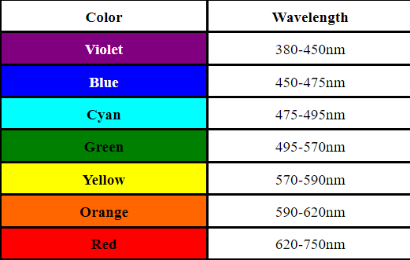
(mA) | 0.012 | 0.061 | 0.158 | 0.157

I_ph vs wavelength of incident light

Resistance of CdS
$$I_{ph}$$
$$θ$$
Properties: | vs Voltage of CdS |  |  |  | Constant Intensity |  |  |  | = 0
Note: | We couldn't increase voltage to 28 V in Table I, since the maximum voltage that we could reach was 22 V.

$$I_{ph}$$
Voltage (V) | 2 | 4 | 6 | 8 | 10 | 12 | 14 | 16 | 18 | 20 | 22
(mA) | 0.454 | 0.883 | 1.332 | 1.804 | 2.252 | 2.773 | 3.251 | 3.761 | 4.31 | 4.826 | 5.421
R(Ω) | 4405.2863436 | 4530.011325 | 4504.5045045 | 4434.5898004 | 4440.4973357 | 4327.4432023 | 4306.3672716 | 4254.187716 | 4176.3341067 | 4144.2188148 | 4058.2918281

$$I_{ph}$$
$$θ=45 °$$
Properties: | vs Voltage of CdS |  |  |  | Constant Intensity
Note: | We couldn't increase voltage to 28 V in Table I, since the maximum voltage that we could reach was 22 V.

$$I_{ph}$$
Voltage (V) | 2 | 4 | 6 | 8 | 10 | 12 | 14 | 16 | 18 | 20 | 22
(mA) | 0.255 | 0.5 | 0.79 | 1.042 | 1.333 | 1.608 | 1.898 | 2.225 | 2.501 | 2.841 | 3.132
R(Ω) | 7843.1372549 | 8000 | 7594.9367089 | 7677.5431862 | 7501.8754689 | 7462.6865672 | 7376.1854584 | 7191.011236 | 7197.1211515 | 7039.7747272 | 7024.265645

